F.Y. 2026 Project Summary Sheet
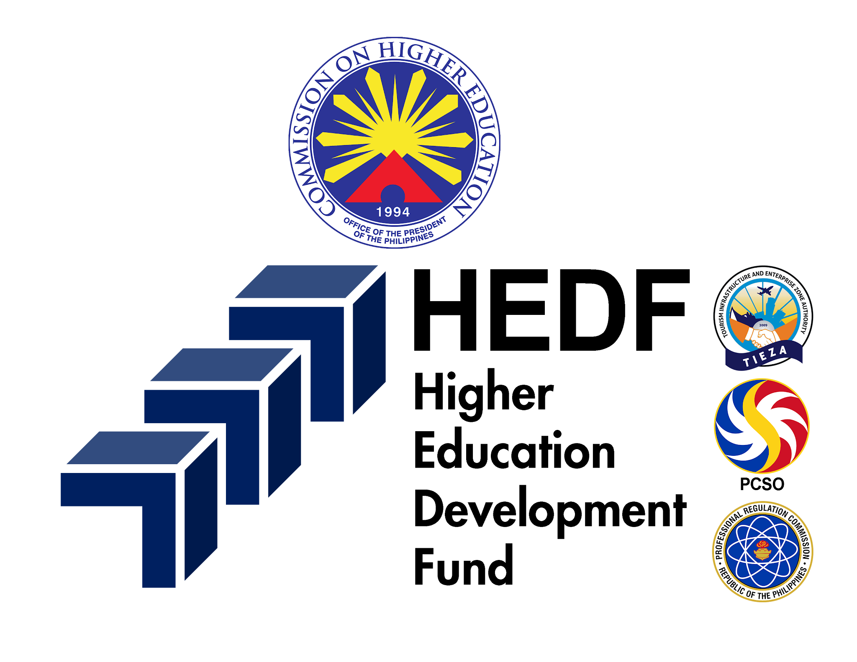

PROFILE FOR F.Y. 2026 BUDGET PROPOSALS FOR CONSIDERATION UNDER THE HIGHER EDUCATION DEVELOPMENT FUND

I. PROJECT BRIEF
PROJECT IMPLEMENTER: (CHED Implementing Office) | INTERNATIONAL AFFAIRS SERVICE
P/A/P DESCRIPTION: | Development of Strategies and Schemes to Establish Linkages with International Institutions of Higher Learning
PROJECT TITLE: | Building Internationalization Competitiveness Program for Philippine Higher Education
PROJECT DURATION: | January 1 - December 31, 2026 (12 Months)
PROPOSED AMOUNT: | 140,000,000.00
PROJECT GENERAL DESCRIPTION AND RATIONALE: | ● Project Summary/Introduction ● Main Objective ● Target Audience and Beneficiaries per Component (Indicate Number of Beneficiaries) *Note: Limit answers to 500 words, including the ft. Rationale, main objective, target beneficiaries, main outcomes. Describe the project and its component subprojects (if any) Discuss the significance of the project, especially what relation it may have to complementary sectors. State the expected outcomes vis-a-vis the goals and objectives.
PROJECT DELIVERABLES/OUTPUT:
EXPECTED IMPACT/OUTCOME: | 1. Responsive CMOs, policies and instrments aligned with current demands and emerging trends in PHE IZN 2. HEIs recognized as champions of DGS specific iniatives integrated into internationalization strategies 3. Improved coordination and strategic Alignment of SDG initiatives among PH HEIs through shared access to centralized data and plans 4. Reputable Higher Education Profile through broader representation of Philipines HEIs in Global University Rankings 5. Stregthened implementation and monitoring of international collaboration through increased data accuracy and institutional accountability
 | PARTICULARS |  | BRIEF DESCRIPTION
SUB-PROJECT COMPONENTS: | KRA 1: Repositioning for Elevated Reputation - A. Participation in Intl Assessment of HEI performance (AUNQA, Masterclass for Rankings/International league tables
 | KRA 1: Repositioning for Elevated Reputation - B. Promotion of HE in Education Fairs, study visits, benchmarking activities, delegation and participation in international conferences and meetings
 | KRA 2: Internationalized Capacities Development - C. Development of the PHL as a center of HE in Identified Niche/Programs of Excellence
 | KRA 2: Internationalized Capacities Development - D. Provision of Assistance to Develop and Sustain IZN Program of HEIs
 | KRA 3: Support for Students, Staff, and Scholars to Expand Global Opportunities - E. Institutional Grant for International Academic Mobility (Academic Exchange Programs)
 | KRA 4: Enhancing Governance and Quality Assurance for Global Alignment - F. Implementation of Framework and Strategies on the IZN of PHE (CMO 55 s. 2016)/Policy Development/Stocktaking Report
 | KRA 4: Enhancing Governance and Quality Assurance for Global Alignment - G. Operation / Manpower
GRANT PRIORITY AREA BASED ON CHED ORDER NO. 1, S. 2011: | Internationalization Initiatives
SUSTAINABLE DEVELOPMENT GOALS (MAJOR): | SDG No. 4 - Quality Education
SUSTAINABLE DEVELOPMENT GOALS (MINOR): | FALSE | SDG No. 1 - No Poverty
 | FALSE | SDG No. 2 - Zero Hunger
 | FALSE | SDG No. 3 - Good Health and Well-Being
 | TRUE | SDG No. 4 - Quality Education
 | TRUE | SDG No. 5 - Gender Equality
 | FALSE | SDG No. 6 - Clean Water and Sanitation
 | FALSE | SDG No. 7 - Affordable and Clean Energy
 | TRUE | SDG No. 8 - Decent Work and Economic Growth
 | TRUE | SDG No. 9 - Industry, Innovation and Infrastructure
 | FALSE | SDG No. 10 - Reduced Inequalities
 | FALSE | SDG No. 11 - Sustainable Cities and Communities
 | FALSE | SDG No. 12 - Responsible Consumption and Production
 | FALSE | SDG No. 13 - Climate Action
 | FALSE | SDG No. 14 - Life Below Water
 | FALSE | SDG No. 15 - Life on Land
 | FALSE | SDG No. 16 - Peace, Justice and Strong Institutions
 | TRUE | SDG No. 17 - Partnerships for the Goals
ACHIEVE AGENDA (MAJOR): | I - Inclusive and Impact-Driven Intenrationalization Program
ACHIEVE AGENDA (MINOR): | FALSE | A - Advanced and Accessible Lifelong Learning
 | TRUE | C - Centralized One Nation Human Capital Development Plan
 | FALSE | H - Harmonized SDG-Based HE Research and Innovation Agenda
 | FALSE | I - Inclusive and Impact-Driven Internationalization Program
 | TRUE | E - Expanded and Intergrated, Real-Time Data Collection and Analytics System
 | TRUE | V - Vitalized Policies, Internal Systems and Governance
 | FALSE | E - Effective and Efficient Public Service
LOGICAL FRAMEWORK: | PARTICULARS
GOALS/OBJECTIVES: | ACTIVITIES | OUTPUTS | VERIFIABLE INDICATORS | MEANS OF VERIFICATION | ASSUMPTIONS AND RISKS
What are the objectives that the project will contribute to | What are the activities needed to be undertaken to achieve the objectives? | What are the concrete visible results that will contribute to the realization of the project? What changes and improvements will be achieved by the project? | What indicators will show whether the expected results have been achieved? | What are the information sources for these indicators? | What are the factors and condition markets not under direct project control but necessary to achieve the project objective?
GANTT CHART: | PROJECT TIMELINE WITH CORRESPONDING BUDGETARY REQUIREMENT
SUB-PROJECT COMPONENTS: | 1ST QUARTER | 2ND QUARTER | 3RD QUARTER | 4TH QUARTER | TOTAL
KRA 1: Repositioning for Elevated Reputation - A. Participation in Intl Assessment of HEI performance (AUNQA, Masterclass for Rankings/International league tables
Leading Internationalization: Strengthening Institutional Capacity and Canada-Philippines Linkages | 1,401,400.00 |  |  |  | 1,401,400.00
Working Group on National Strategy on World-Class Philippine Universities |  | 403,457.00 |  |  | 403,457.00
KRA 1: Repositioning for Elevated Reputation - B. Promotion of HE in Education Fairs, study visits, benchmarking activities, delegation and participation in international conferences and meetings
10th Asia-Europe Meeting (ASEM) Education Ministers’ Meeting (ASEMME10) & 2nd Senior Officials’ Meeting (SOM2) - ASEM |  |  |  | 10,000,000.00 | 10,000,000.00
AIMS National Review Committee |  | 1,500,000.00 |  |  | 1,500,000.00
ASEAN Kick Off Ceremony |  |  | 2,500,000.00 |  | 2,500,000.00
ASEAN Month Celebration |  |  | 5,500,000.00 |  | 5,500,000.00
Hosting of 20th AIMS Annual Review Meeting (AIMS Country Members) |  |  |  | 4,000,000.00 | 4,000,000.00
International Conferences/Forum/ Education Fairs/Meetings/ Missions (APAIE, EHEF, NAFSA, CBIE , AEIE, AIEC, ASEAN Universities Exhibition and other Education Fairs) | 400,000.00 | 2,500,000.00 | 7,000,000.00 |  | 9,900,000.00
Membership (UMAP,AQAN) | 100,000.00 |  |  |  | 100,000.00
Other MOOE | 154,691.40 | 459,691.40 | 54,691.40 | 194,691.40 | 863,765.60
Planning and Preparatory Meeting with Education Malaysia Global Services and International Partners for the ASEAN GEMS Plus Initiative | 1,277,500.00 |  |  |  | 1,277,500.00
ASEAN High-Level Policy Dialogue and Ministers’ Roundtable |  | 1,500,000.00 |  |  | 1,500,000.00
First Joint Working Group Meeting with the Ministry of Education, Youth and Sport (MoEYS) of the Kingdom of Cambodia |  | 3,000,000.00 |  |  | 3,000,000.00
4th ASEAN-EU Policy Dialogue |  |  |  | 6,000,000.00 | 6,000,000.00
34th SEAMEO RIHED Governing Board Meeting |  |  | 2,000,000.00 |  | 2,000,000.00
Regional Policy Conference on Future-Ready Higher Education |  |  | 2,000,000.00 |  | 2,000,000.00
ASEAN GEMS Plus |  |  | 2,000,000.00 |  | 2,000,000.00
ASEAN Center of Excellence for Teacher Ed and Development (ACTED) |  |  | 2,000,000.00 |  | 2,000,000.00
Higher Education Partnership Conference (HEPCON) 2026 |  |  |  | 2,000,000.00 | 2,000,000.00
KRA 2: Internationalized Capacities Development - C. Development of the PHL as a center of HE in Identified Niche/Programs of Excellence
Certificate in Teaching Program, LET Review, EETEAP, plus Caravan, SUC Orientation / Workshop |  |  |  | 4,500,000.00 | 4,500,000.00
ICONS Awards |  |  |  | 6,000,000.00 | 6,000,000.00
English Language Fellow - NRGCCS |  |  | 4,000,000.00 |  | 4,000,000.00
KRA 2: Internationalized Capacities Development - D. Provision of Assistance to Develop and Sustain IZN Program of HEIs
MMSU Monitoring and Mapping of PH HEIs SDG Initiatives (THE SDGID) | 10,420,830.00 |  |  |  | 10,420,830.00
KRA 3: Support for Students, Staff, and Scholars to Expand Global Opportunities - E. Institutional Grant for International Academic Mobility (Academic Exchange Programs)
Developing Global Filipino Teachers Program Phase II |  |  | 10,000,000.00 |  | 10,000,000.00
Erasmus+/ FSTP Roadshows |  | 590,000.00 | 900,000.00 | 870,000.00 | 2,360,000.00
FLAIR: Filipino Leaders in Advancing International Reputation Masterclass |  |  | 3,150,000.00 | 850,000.00 | 4,000,000.00
IZN Caravan |  | 2,000,000.00 | 4,000,000.00 | 2,000,000.00 | 8,000,000.00
IZN–IAS Digital Content Creation |  | 1,992,000.00 |  |  | 1,992,000.00
Orientation and Development of Guidelines (SUC Foreign Travel Assessment, and Writeshop of new guidelines-Phil Learning Grants, Updated CMO 1 Guidelines,CMO on Educ Tourism, etc |  |  | 600,000.00 | 600,000.00 | 1,200,000.00
Other MOOE | 169,900.00 | 341,000.00 | 200,000.00 |  | 710,900.00
Summer Youth Camp (UMAP) |  |  | 3,000,000.00 | 1,000,000.00 | 4,000,000.00
International COIL Conference 2026 |  |  |  | 1,110,000.00 | 1,110,000.00
KRA 4: Enhancing Governance and Quality Assurance for Global Alignment - F. Implementation of Framework and Strategies on the IZN of PHE (CMO 55 s. 2016)/Policy Development/Stocktaking Report
GCED Cooperation Centre–Philippines (GCC Philippines) |  |  | 4,250,000.00 |  | 4,250,000.00
iNRC | 220,000.00 | 660,000.00 | 660,000.00 | 440,000.00 | 1,980,000.00
Other MOOE |  | 200,000.00 | 200,000.00 | 447,097.80 | 847,097.80
KRA 4: Enhancing Governance and Quality Assurance for Global Alignment - G. Operation / Manpower
Contract of PSS IV | 87,584.40 | 262,753.20 | 262,753.20 | 262,753.20 | 875,844.00
Contract of PSS V | 193,802.40 | 193,802.40 | 193,802.40 | 193,802.40 | 775,209.60
Contract of PTS I | 733,255.20 | 977,673.60 | 977,673.60 | 977,673.60 | 3,666,276.00
Contract of PTS II | 911,044.80 | 1,822,089.60 | 1,822,089.60 | 1,822,089.60 | 6,377,313.60
Contract of PTS III | 581,234.40 | 968,724.00 | 968,724.00 | 968,724.00 | 3,487,406.40
Gratuity |  |  |  | 231,000.00 | 231,000.00
Supplies | 250,000.00 | 250,000.00 | 250,000.00 | 250,000.00 | 1,000,000.00
Utilities | 87,000.00 | 57,000.00 | 63,000.00 | 63,000.00 | 270,000.00
GRAND TOTAL | 16,988,242.60 | 19,678,191.20 | 58,552,734.20 | 44,780,832.00 | 140,000,000.00

PREPARED BY: | REVIEWED BY: |  | RECOMMENDING APPROVAL: |  | APPROVED BY:

ARMIE O. BUNAG | MABEL A. GUTIERREZ |  | CHRISTINE NABOR FERRER, EdD |  | SHIRLEY C. AGRUPIS, PhD
Project Technical Staff III | OIC, Office of the Chief Education Program Specialist |  | Director IV |  | Chairperson
International Affairs Service | International Affairs Service |  | Director-in-Charge, International Affairs Service |  | Commission on Higher Education
04/27/2026 | 04/27/2026 |  | 04/27/2026 |  | 04/27/2026

